Assignment
UserList | If in the above created Login page, the UserID / Password is admin / admin, then display a list of all the users from the DB into a HTML table in JSP page. Besides each record, there is an Edit button. On click of Edit button, display the details of the corresponding user into the page created in the above exercise. On click of Submit the corresponding users details should be updated in DB

Input Screen
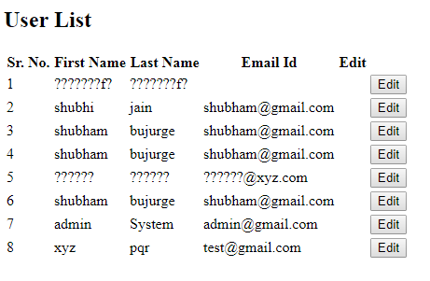

Output Screen
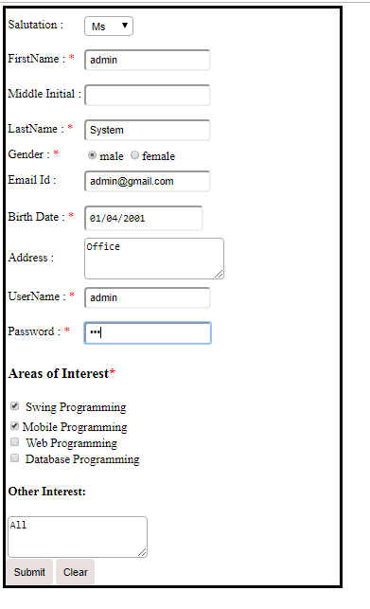

Database

